ANOVA Manual
Null Hypothesis (H0): All group means are equal.
Alternative Hypothesis (H1): At least one group mean is different from the others.

1 | Define the null and the alternative hypothesis
 | H0: M1 = M2 = M3
 | Ha: There exists at least on difference between the groups

2 | df between | # of groups -1 | 3-1 | 2
 | df within | # of observations - # of groups | 15-3 | 12

3 | Total degrees of freedom | 2+12 | 14

4 | Find the critical value from the F table | 2 and 12 | 2.56

 |  | Group A | Group B | Group C
 |  | 82 | 78 | 90
 |  | 88 | 75 | 92
 |  | 84 | 80 | 95
 |  | 90 | 82 | 91
 |  | 85 | 77 | 94

5 | Compute Group Mean | 85.8 | 78.4 | 92.4
6 | Compute Overall Mean | 85.53

7 | Sum of Squares Between Groups (SSB)
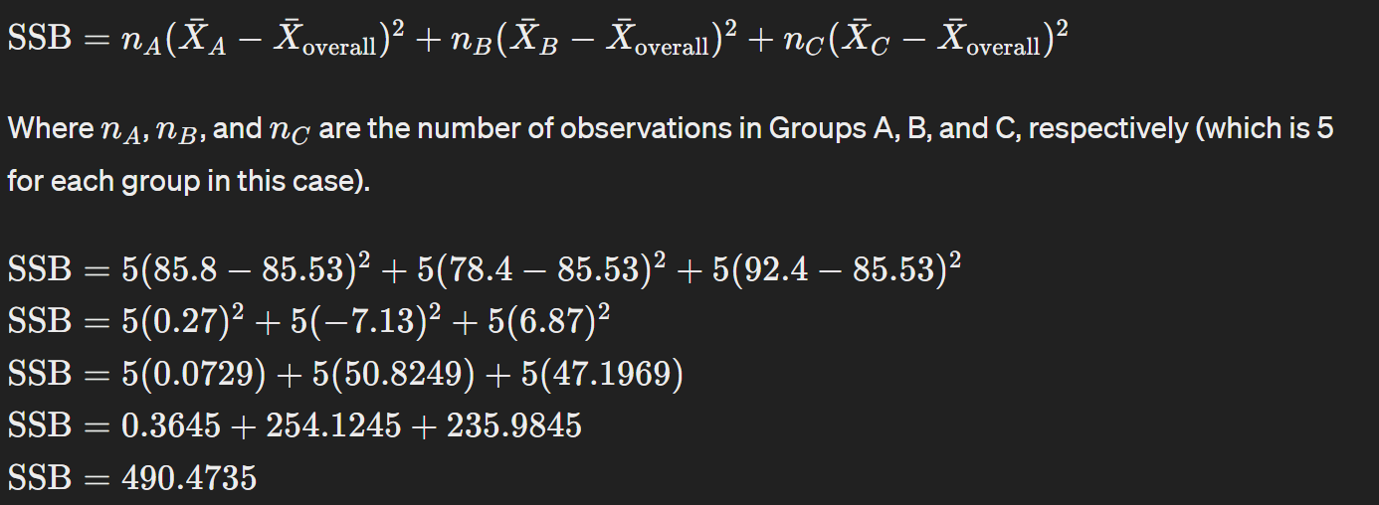

 |  |  |  |  |  | Or we can compute the Sum of Squares Total (SST)
 |  |  |  |  |  | And since SST = SSW + SSB
 |  |  |  |  |  | We can compute SSW = SST - SSB OR SSB = SST - SSW
 |  |  |  |  |  | 12.48 | 56.75 | 19.95
 |  |  |  |  |  | 6.08 | 110.95 | 41.82
 |  |  |  |  |  | 2.35 | 30.62 | 89.62
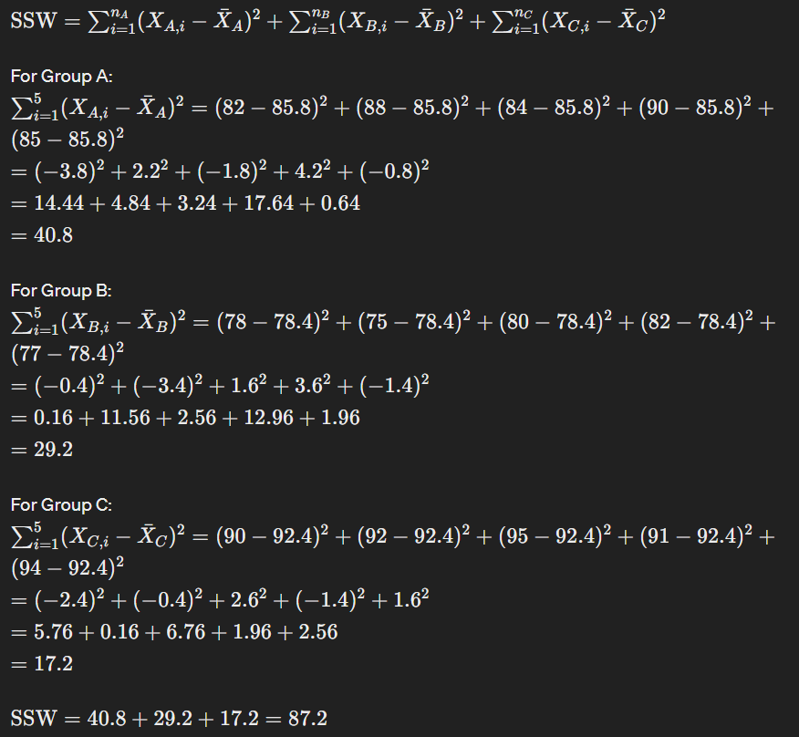
 |  |  |  |  |  | 19.95 | 12.48 | 29.88
 | SSB | =5*(C22-C23)^2+5*(D22-C23)^2+5*(E22-C23)^2 |  |  | 490.53333333 | 0.28 | 72.82 | 71.68
 |  |  |  |  |  | 577.73
8 | Sum of Squares Within Group (SSW)

 |  | 14.44 | 0.16 | 5.76
 |  | 4.84 | 11.56 | 0.16
 |  | 3.24 | 2.56 | 6.76
 |  | 17.64 | 12.96 | 1.96
 |  | 0.64 | 1.96 | 2.56
 |  | 40.8 | 29.2 | 17.2
 | SSW | =SUM(C51:E51) |  | 87.2

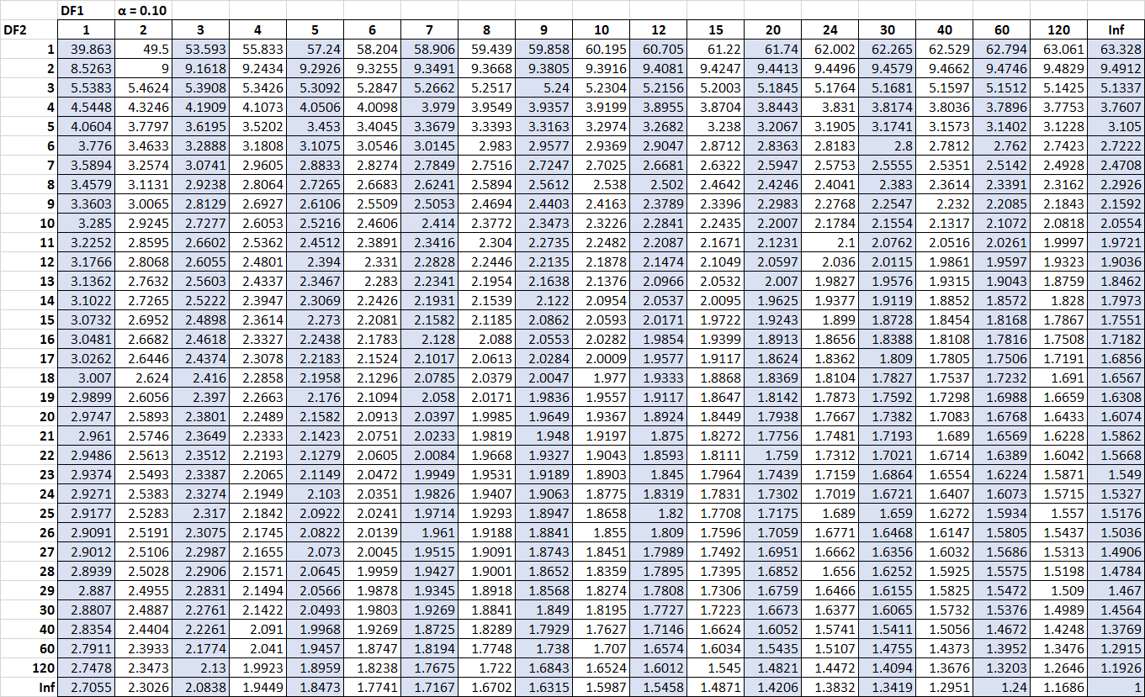

10 | Calculate the mean squares
 | MSB | 245.26666667
 | MSW | 7.2666666667

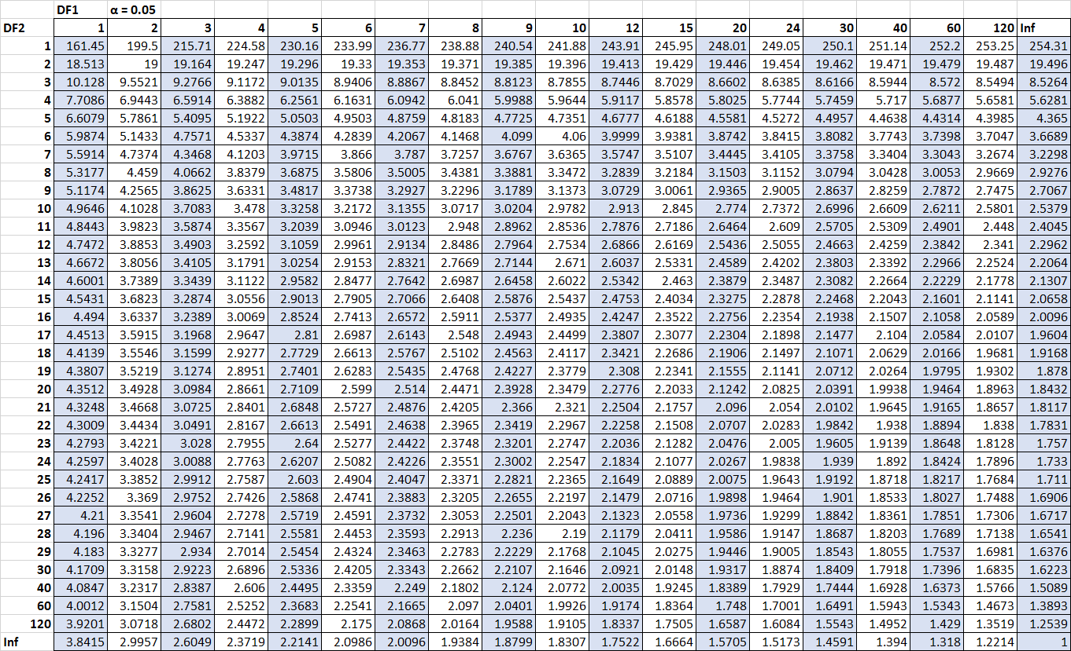

11 | Compute F Statistic | MS Between / MS Within
 |  | 33.752293578
Compare the F-Statistic to the Critical Value
To determine if the F-statistic is significant, compare it to the critical value from the F-distribution table at a chosen significance level (e.g., 𝛼=0.05α=0.05) for 𝑑𝑓𝑏𝑒𝑡𝑤𝑒𝑒𝑛=2dfbetween​=2 and 𝑑𝑓𝑤𝑖𝑡ℎ𝑖𝑛=12dfwithin​=12.
Conclusion
If the computed F-statistic is greater than the critical value from the F-distribution table, we reject the null hypothesis and conclude that there are significant differences between the group means. Otherwise, we fail to reject the null hypothesis.
Since we have computed 𝐹=33.73F=33.73, which is typically much larger than the critical value for 𝑑𝑓𝑏𝑒𝑡𝑤𝑒𝑒𝑛=2dfbetween​=2 and 𝑑𝑓𝑤𝑖𝑡ℎ𝑖𝑛=12dfwithin​=12 at 𝛼=0.05α=0.05 (around 3.88), we would reject the null hypothesis and conclude that there are significant differences between the group means.

 | =F.INV.RT(0.05,2,12) |  |  | 3.8852938347

